StaffManagement form
Font: Microsoft Sans Serif
Fontsize: 18pt
Color: #000000
Fontsize: 18pt
Color: #000000
Color: #E4E0E0
 | SM12, SM13
SM01

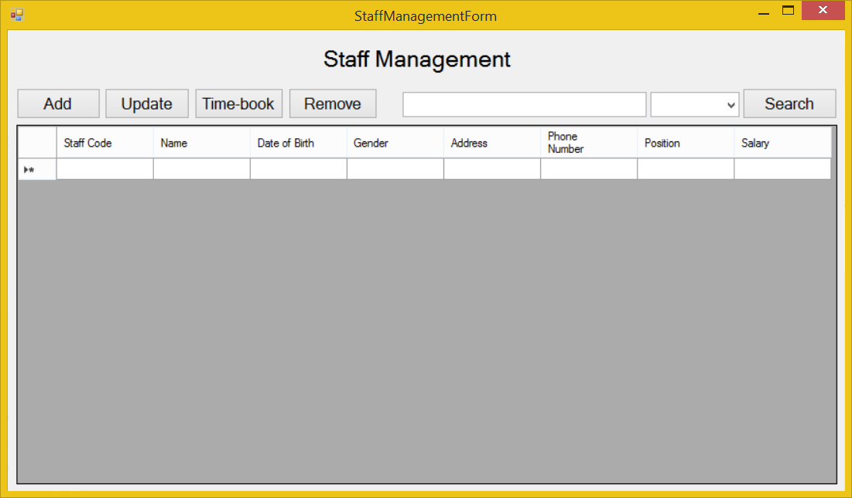

SM02, SM03
Fontsize: 12pt
Color: #000000

SM04, SM05

 |  |  | SM16, SM17, SM18

SM06, SM07
Fontsize: 7.8pt

Color: #FFFFFF
 |  | SM14, SM15
SM08, SM09

SM10, SM11

StaffManagement_Add form
Font: Microsoft Sans Serif
Fontsize: 12pt
Input text field: From left to right.

Datetime picker: MM/DD/YYYY
SMA01, SMA02

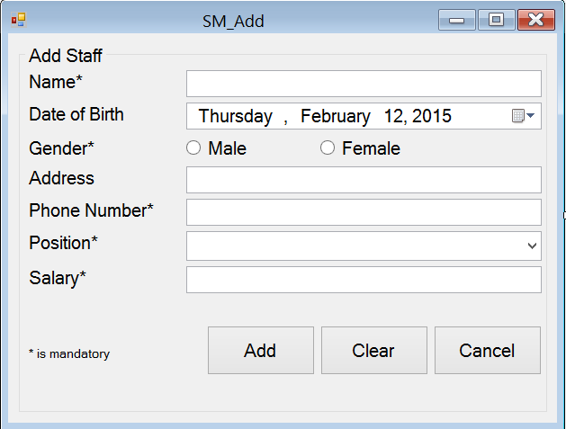
SMA08

SMA09
 |  |  |  | SMA03, SMA04, SMA05, SMA06, SMA07

color: #E4E0E0

 |  |  |  | SMA10, SMA11, SMA12, SMA13, SMA14

Fontsize: 7.8pt
 |  |  |  | SMA15

 |  |  |  | SMA16, SMA17, SMA18, SMA19

color: #FFFFFF

 | SMA20, SMA21, SMA22, SMA23 | SMA24 | SMA25

StaffManagement_Update form
Font: Microsoft Sans Serif
Fontsize: 12pt
Input text field: From left to right.

Datetime picker: MM/DD/YYYY
SMU01 SMU02

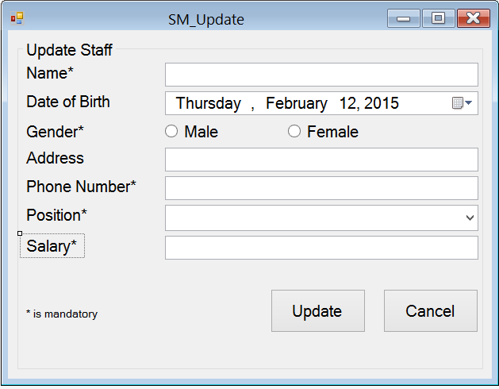
SMU08

SMU09
 |  |  | SMU03, SMU04, SMU05, SMU06, SMU07

color: #E4E0E0

 |  |  | SMU10, SMU11, SMU12, SMU13, SMU14

Fontsize: 7.8pt
 |  |  | SMU15

 |  |  | SMU16, SMU17, SMU18, SMU19

color: #FFFFFF

 | SMU20, SMU21 | SMU22

StaffManagement_Timebook form
 |  | SMT04, SMT05 | SMT06, SMT07 | SMT081 SMT09, SMT10
 | Font: Microsoft Sans Serif
Color: #E4E0E0
SMT01

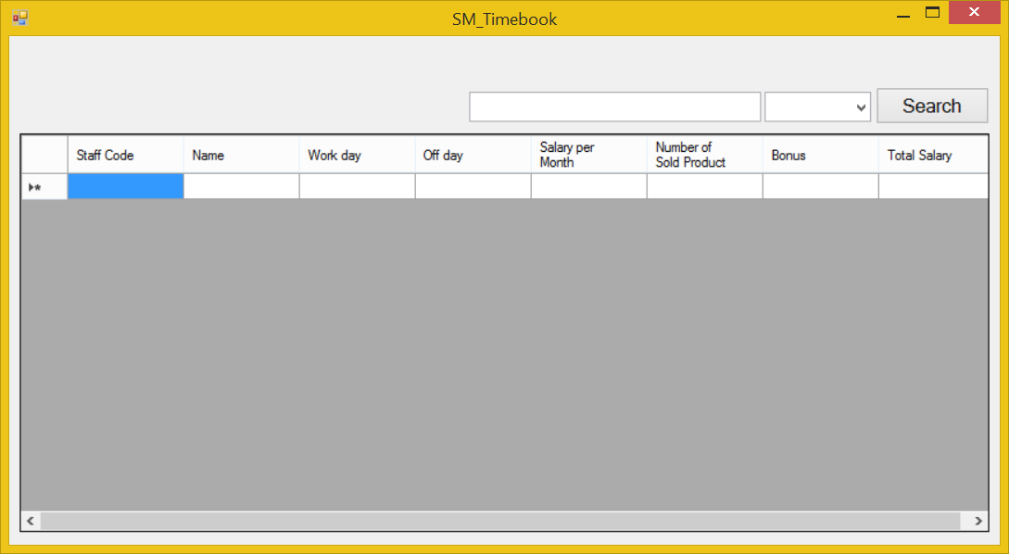

Fontsize: 12pt
Color: #000000

Color: #FFFFFF

fontsize: 7.8pt

SMT02, SMT03

